General
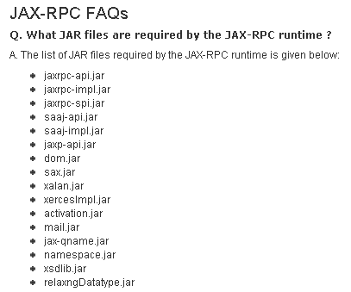
 | JSR 109 | this was j2ee 1.3 and very first Java web service architecture
 | JSR 921 | this is LATEST webserice specification and latest only of J2EE
 | JSR 181 | this is annotation based webservice develoopement
 |  | so even we develop webservice based on JSR 181, it has to convert to JSR 921 based then only it can be deployed
 |  | how to use JAX-RPC to invoke Web Services, see
 |  | http://java.sun.com/webservices/docs/ea1/tutorial/doc/JAXRPC.html
 | servlet -released | 1997
 | EJB - released | 1998

Web service

Four Parts | XML 1.0
 | SOAP 1.1 | SOAP 1.2
 | WSDL 1.1 | WSDL 1.2
 | UDDI 2.0 | UDDI 3.0, UDDI 1.0

J2EE
 | JAX-RPC 1.1 | JAX-RPC 1.0 | Act as back bone for webservice in J2EE ( like container for ejb )
 | SAAJ |  | Used to process/create/send/create SOAP message. [ internally use DOM2]
 | JAXR 1.0 |  | API used to work with UDDI to publish/ searching a service
 | JAXP 1.2 |  | used to create/process XML document based on SOX / DOM standard
 | SAX 2 |  | JAVA API for XML processing
 | DOM 2 |  | JAVA API for XML processing

platform | J2EE
 | .Net
 | Apache Axis,
 | perl

